1. Title Page
[Customer Insight Project]

Project Name: Customer Insight Project
Date: 4/22/2024
Analyst Name: Priya Patel

Contents:
Population Flow
Consistency checks
Wrangling steps
Column derivations
Visualizations
Recommendations

 | Data Citation: " The Instacart Online Grocery Shopping Dataset 2017", Accessed from www.instacart.com/datasets/grocery-shopping-2017 via Kaggle on April 2024

 | Customer data is fabricated for the purpose of this project.

2. Population Flow
Population flow

Exclusion flag
Condition: max_order < 5
Obervations to be removed: 0
Final total count of order_products_all: 32404859

Orders_products_combined
Orders_products_merged
Orders_products_all

Total: 32404859
Total: 32434489
Total: 32404859

3. Consistency checks
 |  |  |  | Title page
Consistency checks

Dataset | Missing values | Missing values treatment | Duplicates
orders | 206209 missing entries for 'days since prior' | Created a Flag that clarifies missing info | N/A
products | 16 missing entries for 'product name' | 16 raws removed | 5 duplicated full rows removed
orders_products_prior
customers

4. Wrangling steps
 |  |  |  |  | Title page
Wrangling steps

Data Set | Columns dropped | Columns renamed | Columns' type changed | Comment/Reason
orders | orders 'eval_set' column dropped |  |  | eval set' not needed
orders |  | orders column 'order_dow' renamed 'order_day_of_week' |  | clarity
orders |  | order column 'order_number' renamed 'order_sequence_number' |  | clarity
orders |  |  | order column 'order_id', 'user_id' changed to string | the data in this column are text
customers | customers 'date_joined' column dropped |  |  | date_joined' not needed
customers |  | customers 'Surnam' renamed 'Last Name' |  | clarity
customers |  | customers 'STATE' renamed 'State' |  | clarity
customers |  | customers 'n_dependants' renamed 'Number_of_Dependants' |  | clarity
customers |  | customers 'fam_status' renamed 'Familial_Status' |  | clarity
customers |  |  | customers column 'user_id' to 'integer and 'First Name', 'Last Name', 'Gender', 'State' to 'string' and 'Age', 'Number_of_Dependants', 'income' to 'integer' and 'Familial_Status' to 'string' | decrease memory size
customers | customers columns 'First Name' and 'Last Name' dropped |  |  | Security

5. Column derivations
 |  |  |  |  | Title page

Column derivations and aggregations

The value counts for the derived variables are listed in the below table.
Dataset | New column | Column/s it was derived from | Conditions
df_ords_prods_all | Region | State | state' within 'region' defined by United States Census Bureau
df_ords_prods_all | shopping_behavior | order_hour_of_day | Early Bird: between 5am and 8am Night Owl: at or after 9pm and before 5am Regular: All other time
df_ords_prods_all | lifestyle | income, Familial_Status | Single, Low-income: Familial_Status ='single', 'divorced/widowed', or 'living with parents and siblings' and income <= 30000 Single, Middle-income: Familial_Status ='single', 'divorced/widowed', or 'living with parents and siblings' and income > 30000 and <= 80000 Single, High-income: Familial_Status ='single', 'divorced/widowed', or 'living with parents and siblings' and income > 80000 Married, Low-income: Familial_Status ='single', 'divorced/widowed', or 'living with parents and siblings' and income <= 60000 Married, Middle-income: Familial_Status ='single', 'divorced/widowed', or 'living with parents and siblings' and income > 60000 and <= 160000 Married, High-income: Familial_Status ='single', 'divorced/widowed', or 'living with parents and siblings' and income > 160000 | 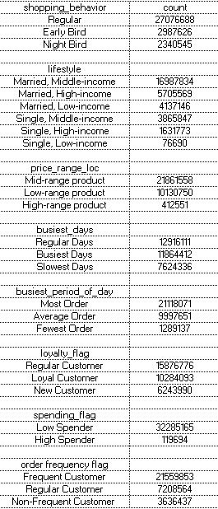
df_ords_prods_all | price_range_loc | prices | High-Range product price > 15 Mid-Range product piece > 5 and <= 15 Low-Range price <= 5
df_ords_prods_all | busiest_days | orders_day_of_week | Busiest: order day of week is 0(Sunday) or 1(Monday) Regular busy: order day of week is 2(Tuesday), 5(Friday) or 6(Saturday) Slowest Days: order day of week is 3(Wednesday) or 4(Thursday)
df_ords_prods_all | busiest_period_of_day | order_hour_of_day | Most orders: order hour >= 9 and < 17 Average orders: order hour is 7 or 8 Fewest orders: order hour <= 6 or =23
df_ords_prods_all | loyalty_flag | max_order | New Customer: max order <= 10 Regular Customer: > 10 and <= 40 Loyal Customer: max order > 40
df_ords_prods_all | spending flag | average spent | High Spender: spending mean >= 10 Low Spender: spending mean < 10
df_ords_prods_all | order frequency flag | days_since_prior_order | Non-frequent: days since prior order median > 20 Regular: days since prior order median <=20 and > 10 Frequent: days since prior order median <= 10

6. Visualizations & Recommendat
Title page

Visualisations

Question: The sales team needs to know what the busiest days of the week and hours of the day are (i.e., the days and times with the most orders) in order to schedule ads at times when there are fewer orders.

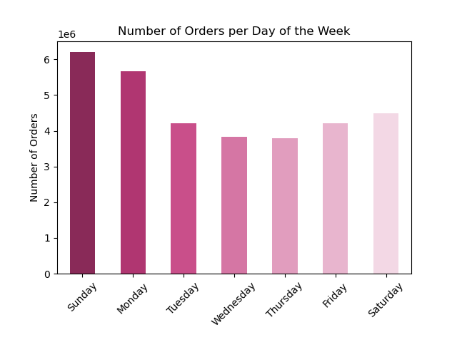
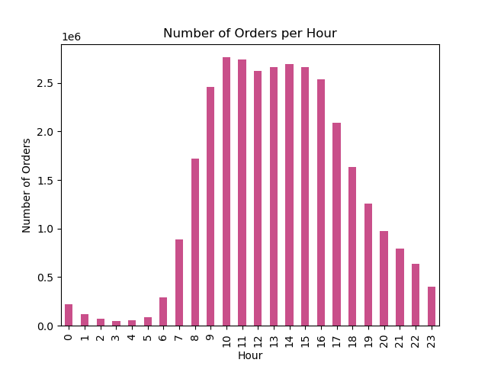

Recommendation: We can see busiest days and busiest hours in both graph. Focus more ad placements on Wednesday and Thursday, as there are the slowest days. Advertising on these days may capture the attention of potentioal customers who are less likely to be browsing or odering during the busiest days. Schedule ads primarily during the late night and early morning hours (midnight to 6 a.m.). Since these are the least busy times, it reduces the liklihood of ad saturation during peak ordering hours and may increase visibility among night owls or early risers. While regular ads might be scheduled during slower periods, consider using the busiest periods (Sunday, Monday and 9 a.m. to 4 p.m.) for special promotions, flash sales, or important reminders. These high-traffic times can be leveraged to grab attention when customer engagement is at its peak.

Question: Sales team also want to know whether there are particular times of the day when people spend the most money, as this might inform the type of products they advertise at these times.

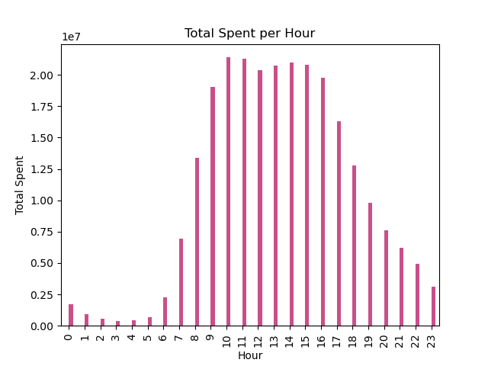

Recommendation: Since people spend the most during the busiest hour, it's a good strategy to focus on advertising higher-value or premium products during these times. Customers might be more inclined to make larger purcheses when they are actively engaged. Leverage these peak hours to roll out limited-time offers, discounts, or bundled deals to encourage higher spending. These promotions can create a sense of urgency and drive more sales. Consider dynamic pricing strategies where prices are adjusted based on demand. Higher demand periods can have slightly higher pricing for certain products, balanced with promotional offers to maintain customer interest.

Question: Instacart has a lot of products with different price tags. Marketing and sales want to use simpler price range groupings to help direct their efforts.

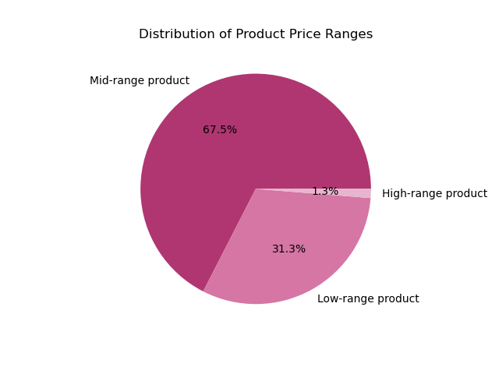

Recommendation: Since the majority of products are 'Mid-range', focus the bulk of marketing efforts on promoting these products. This could involve highlighting the best value for money aspects, showcasing popular items, or bundling items with related products. Given a substanial portion of products are 'Low-range', create specific campaigns to target budget-conscious consumers or those looking for everyday items. While 'High-range' products form a small percentage, they can still be significant in terms of revenue. Create exclusive, targeted campaigns for these products. Focus on quality, exclusivity, or luxury aspects to appeal to high-end consumers. Align inventory and stock management with these insights. Ensure a higher stock of 'Mid-range' products, considering their popularity and demand.

Question: Are there certain types of products that are more popular than others? The marketing and sales teams want to know which departments have the highest frequency of product orders.

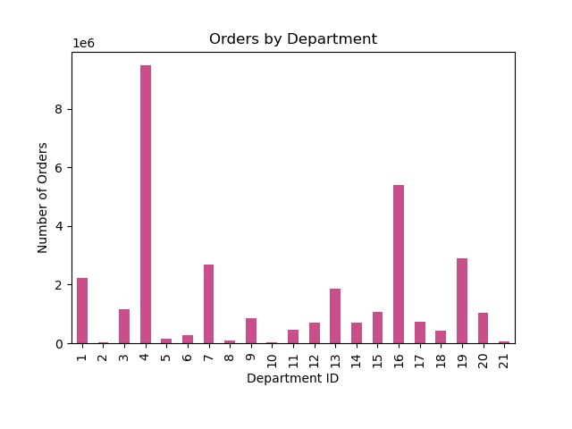

Recommendation: Allocate more marketing resources to promote products from the 'Produce' and 'Dairy' departments, as these are already popular. Create bundled offers that combine popular items from 'Produce' and 'Dairy' with items from lower-selling departments like 'Bulk', 'Alcohol', 'International', and 'Pets'. This can help increase the visibility and sales of less popular items. Evaluate the in-store and online product placement for lower-selling departments.

Question: What's the distribution among users in regards to their brand loyalty (i.e., how often do they return to Instacart)? Are there differences in ordering habits based on a customer's loyalty status?

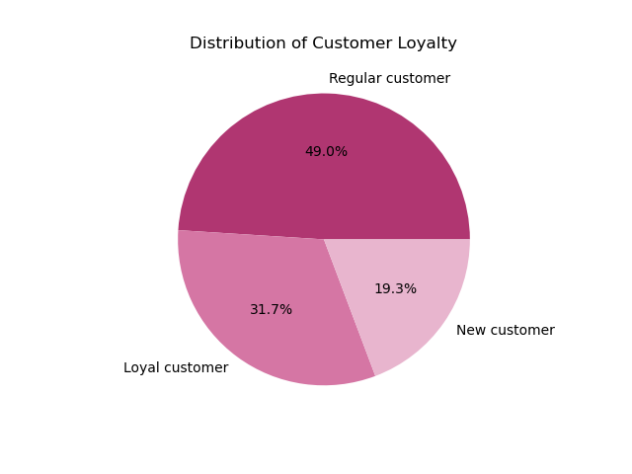
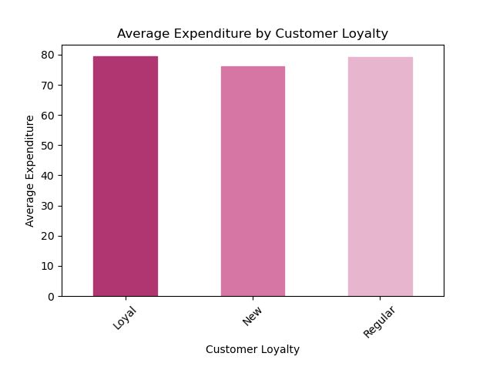

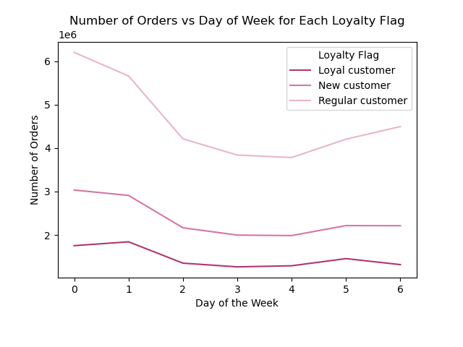
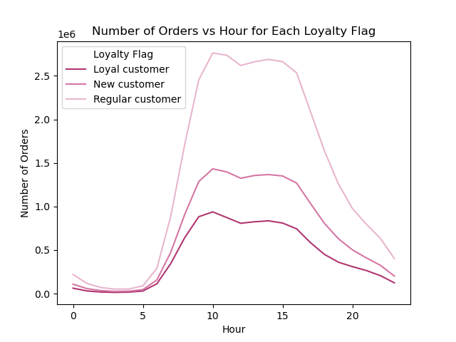

Recommendation: Since loyal customers have the highest average expenditure, focus on relating these customers with loyalty programs, exclusive offers, and personalized recommendation. Consider premium services or early access to new products as a token of appreciation for their loyalty. Implement strategies to convert regular customers into loyal ones through targeted promotions, incentives for frequent purcheses, and engaging communication to deepen their connection with the brand. With the lowest average expenditure, the goal for new customers should be to encourage repeat purchases and transition them into regular to loyal customers through welcome offers, first-time buyer discounts, and educational content about the benefits of the platform. Since loyalty dosen't affect the day of the week or hour of the day for ordering, focus on what differeniates the segments more like spending patterns, product preferences, and frequency of orders.

Question: Are there differences in ordering habits based on a customer's region?

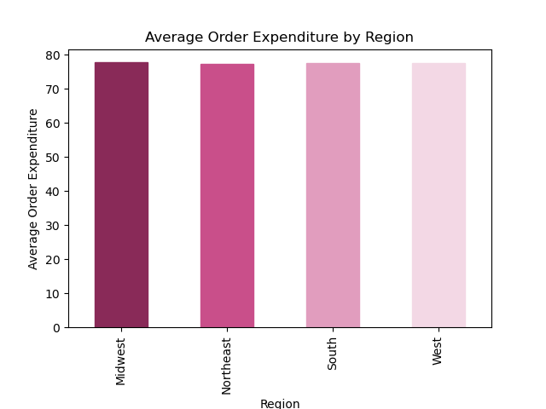
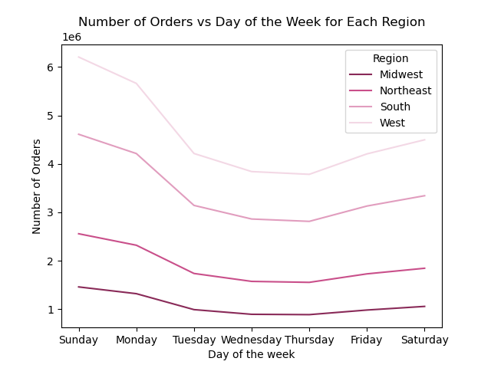

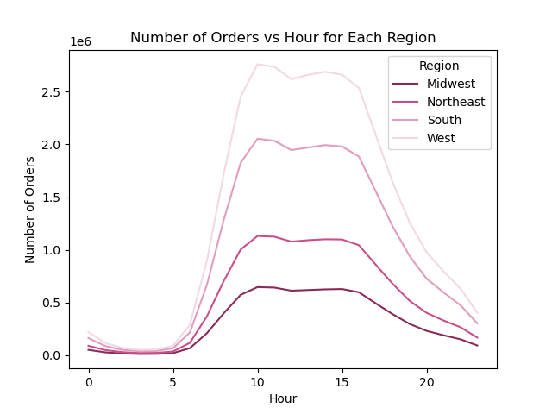

Recommendation: Given that regional differences do not significantly impact the average expenditure per order or the shopping patterns across the day of the week and hour of the day, the marketing and sales staretiges can be standardized across regions. Develop a unified marketing strategy that can be applied across all regions, focusing on aspects that have been identified as consistent, such as time-sensitive promotions or general product highlights. Continuously monitor for any emerging regional trends that might affect shopping behavior in the future and be ready to adapt strategies accordingly.

Question: Is there a connection between age and family status in terms of ordering habits? What different classifications does the demographic information suggest? Age? Income? Certain types of goods? Family status?

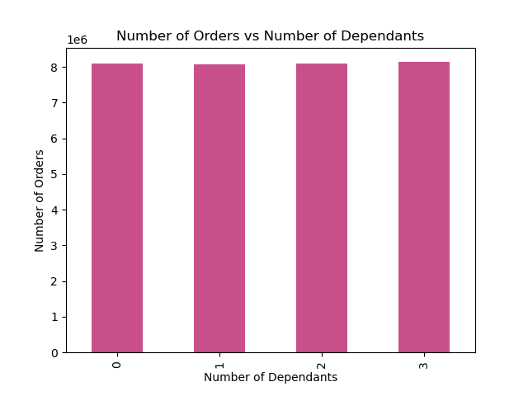
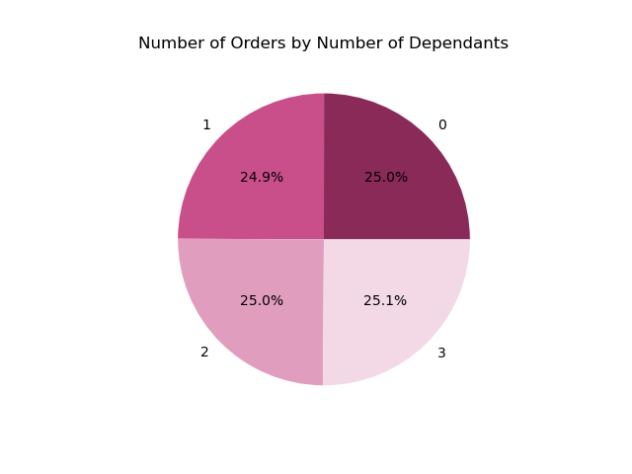

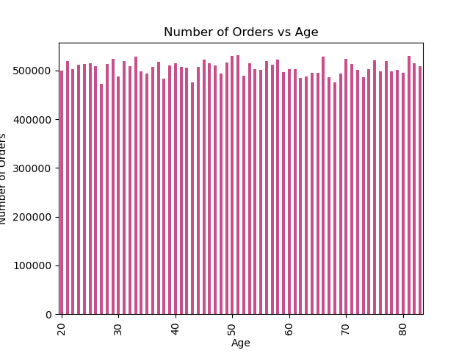
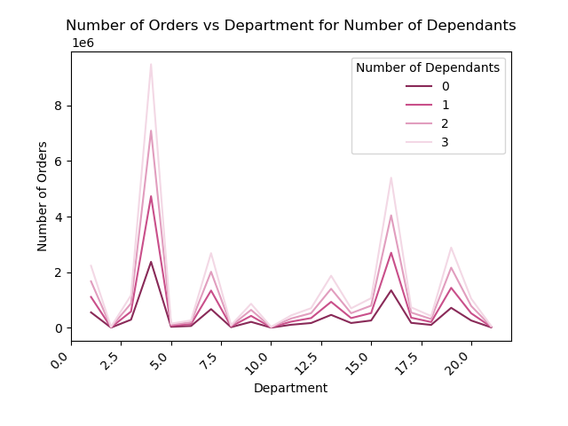

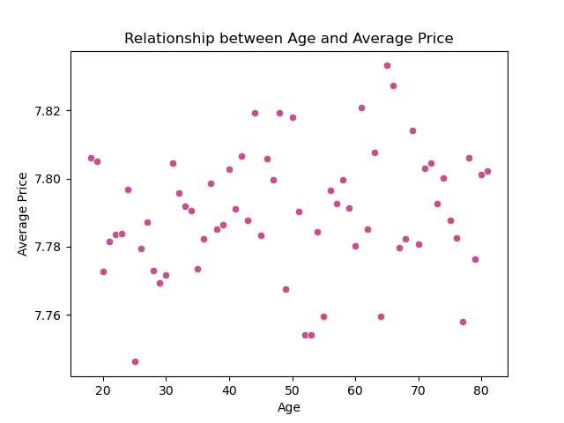
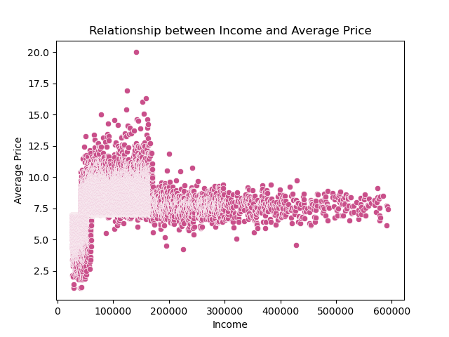

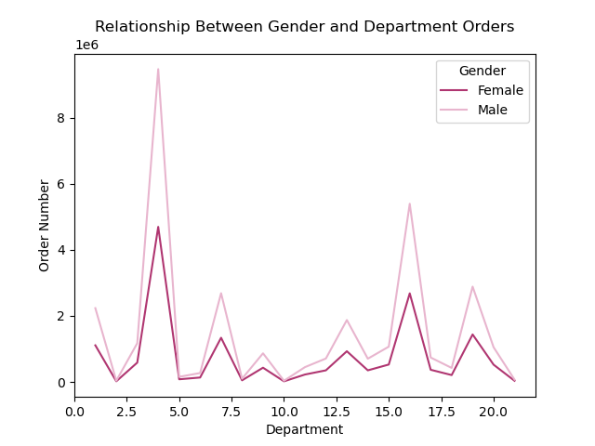

Recommendation: Since income affects the average price spent per item, segment customers based on their income levels. Tailor marketing and promotional strategies to match these segments. For instance, market more premium, higher-priced items to the mid to high-income brackets, and more budget friendly options to the lower-income groups. Ensure that marketing campaings are inclusive and resonate with a broad demographic, considering that age, family status, and gender do not significantly influence shopping patterns.

Question: What differences can you find in ordering habits of different customer profiles? Consider the price of orders, the frequency of orders, the products customers are ordering, and anything else you can think of.

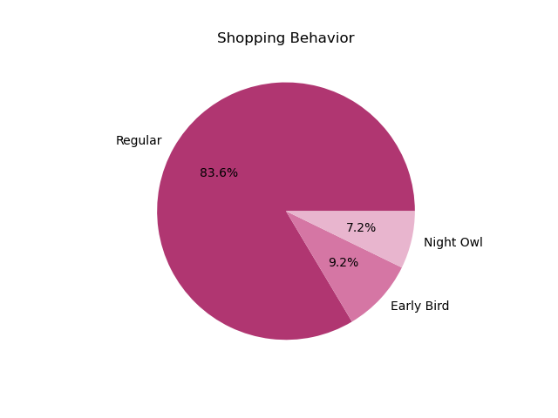
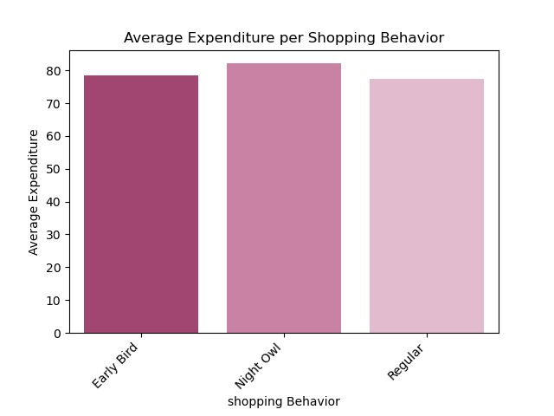

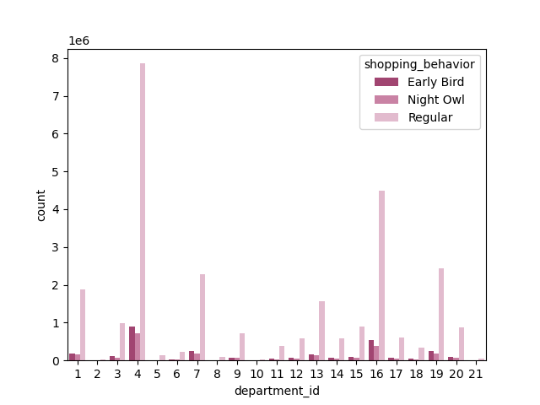
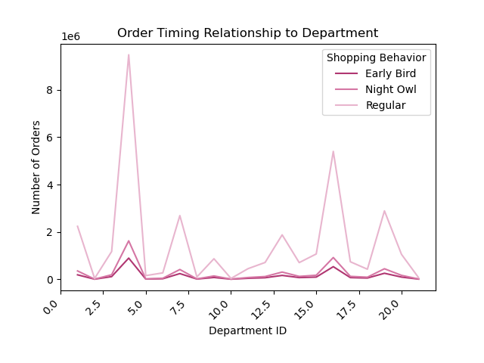

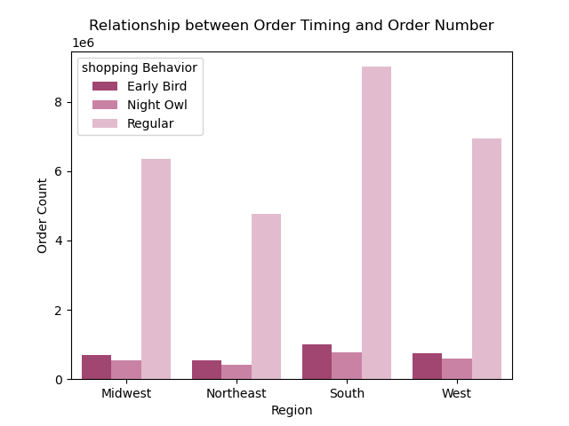
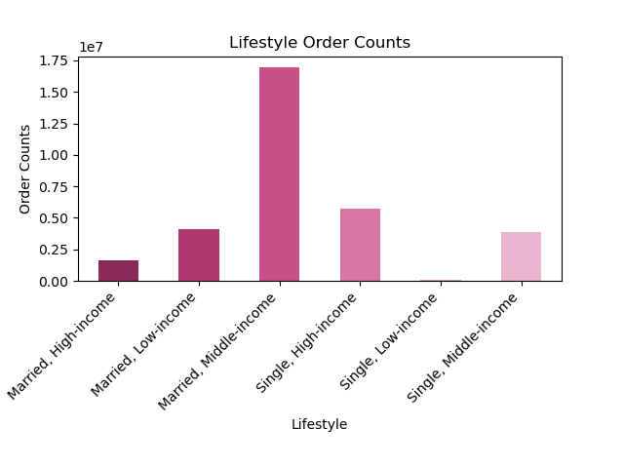

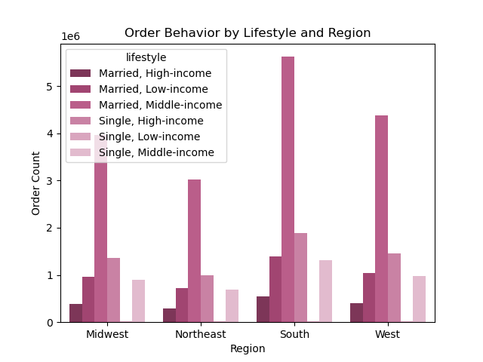
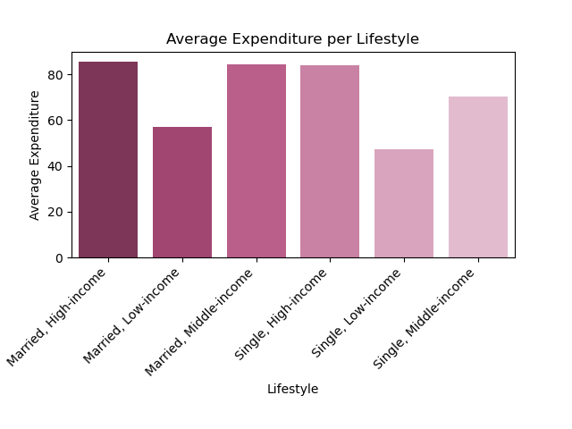

Recommendation: Since 'Night Owl' spend the most per order, consider targeted marketing campaigns during late hours. These could include special promotions or limited-time offers to encourage higher spending.
High and Middle- income buyers spent more per order on average than low-income buyers regardless of marital status. Provide exclusive deals or loyalty reward program for the higher spending groups to retain and encourage their high spending habits. For low-income buyers, focus on budget-friendly and value for money products. For married, middle-income customers who order the most, highlight premium and family-oriented products.
Since the distribution of order timimg and lifestyle categories is consistent across regions, implement a universal marketing stategy that can be applied broadly, while still allowing room for local customization if needed.

Top Recommendation
Targeting Ads and Promotions:
Focus ads on weekdays (Wednesday and Thursday) to capture higher order quantities.
Avoid running ads at night (11 pm - 5 am) when most customers are asleep.
Target high and middle-income married couples with ads since they are the top revenue generators.
Consider offering premium subscription with free delvivery for high spending customers.
Customer Loyalty:
Create loyalty reward program to encourage business.
Offer new customer coupons and referral program to grow the customer base.
Product Focus:
Prioritize marketing efforts for 'Produce' and 'Dairy & Eggs' departments as they have the highest sales.
Understanding Customer Behaviour:
Loyal customers spent more on Sundays than weekdays, while Regular and New customer speant least on Wednesday and Thursday.
Expanding Customer Base:
Target low-income, married and single family to leverage their income potential.

